Prism Correction
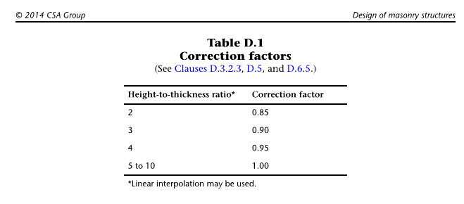
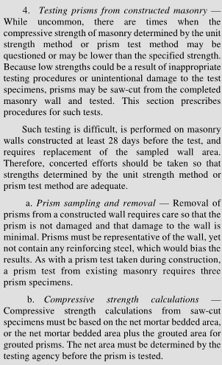

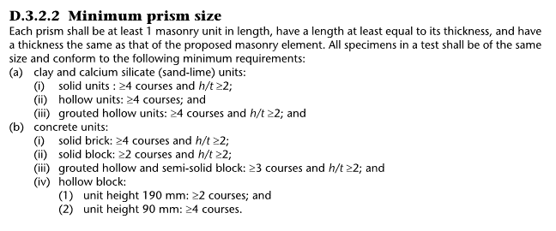

Haider
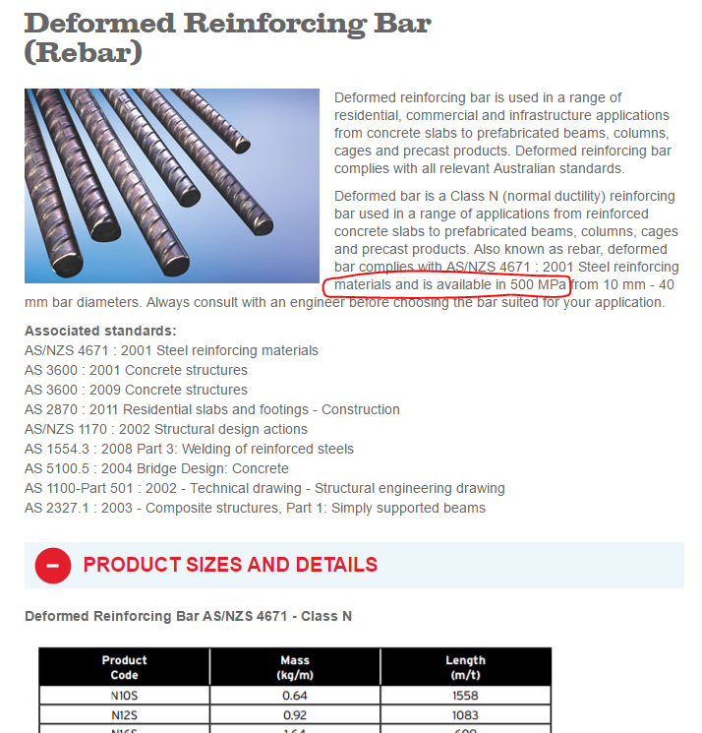
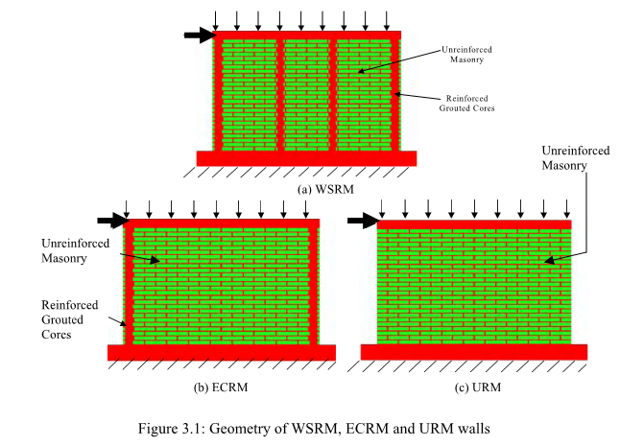

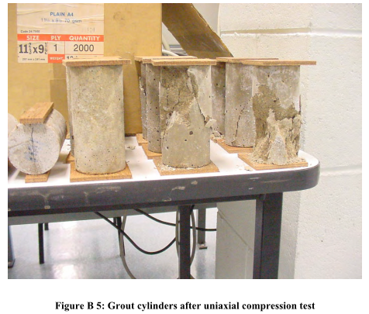
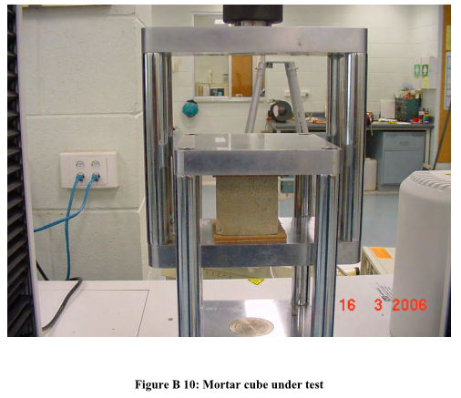
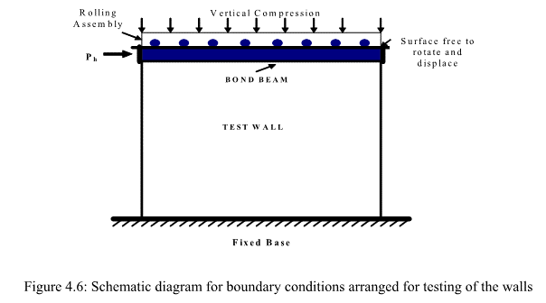

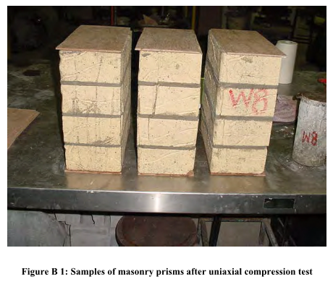

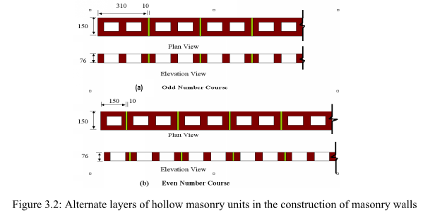

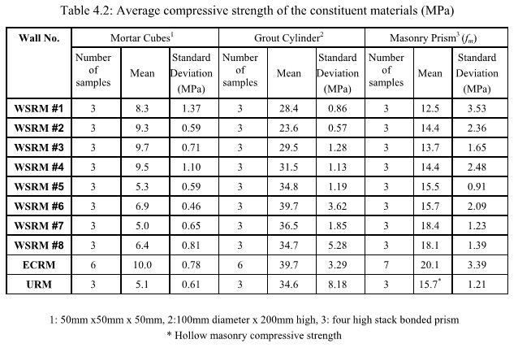
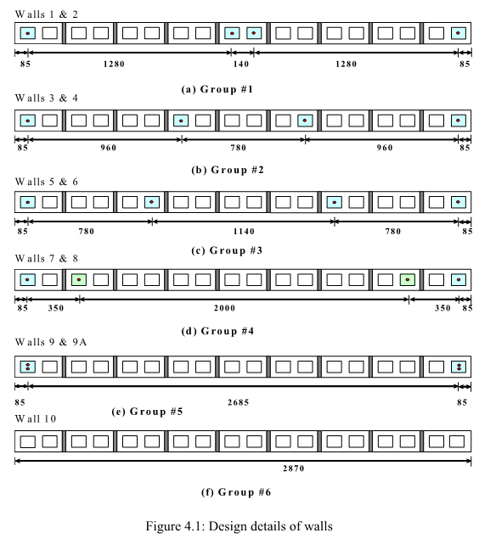
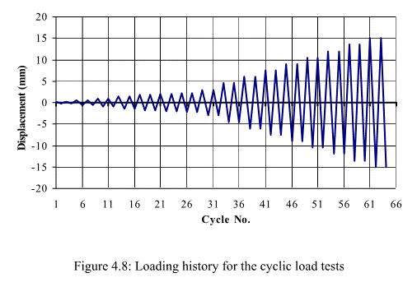
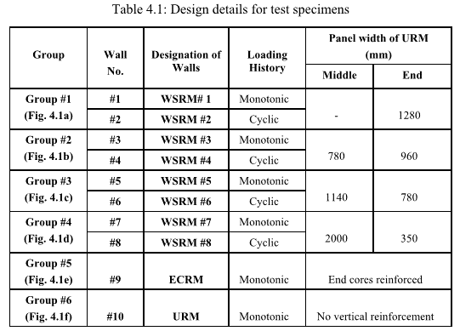

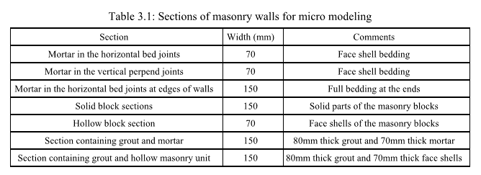

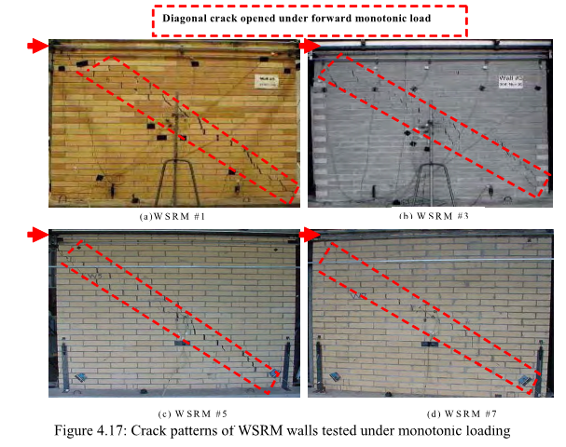
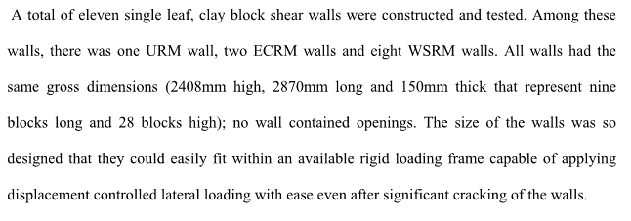

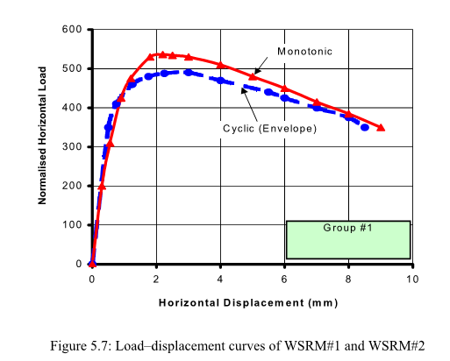
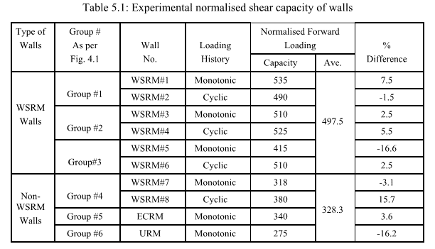

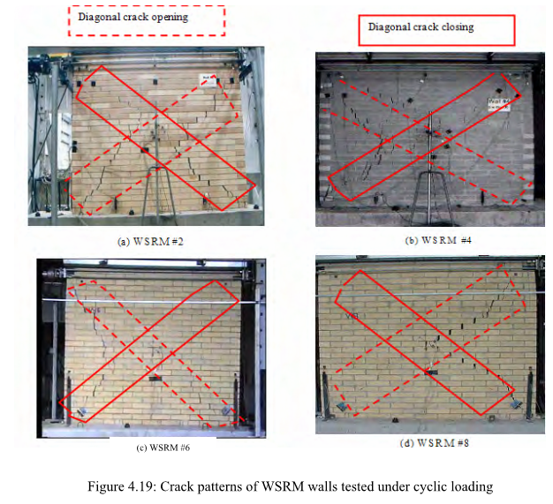

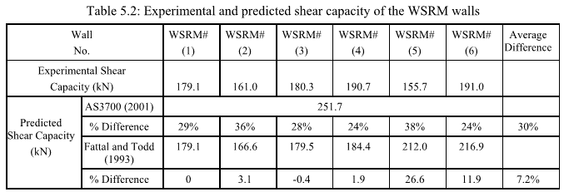

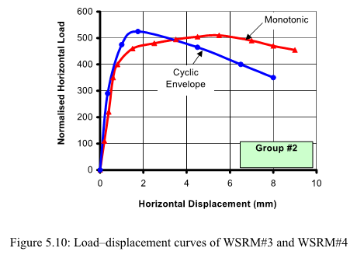

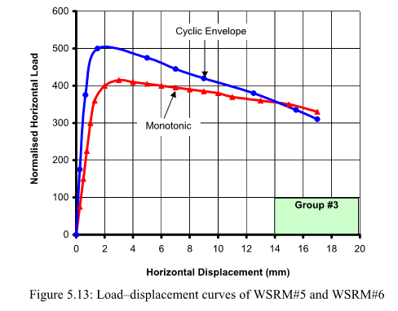

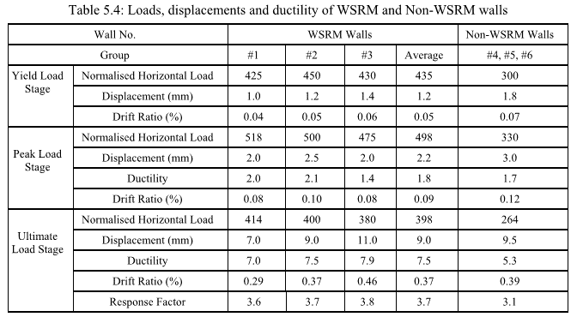

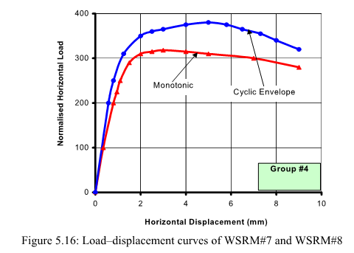

https://buybuildingsupplies.com.au/n12-reinforcement-bar-long-p-2089.html

 | https://www.meshbar.com.au/reinforcing-steel/

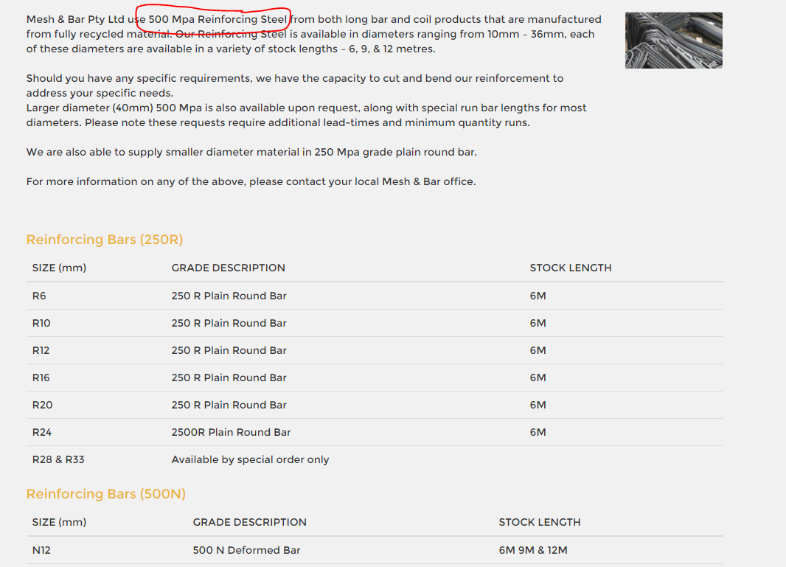

 | http://www.bcsands.com.au/index.php?main_page=product_info&products_id=10135

 | http://www.reinforcing.com.au/our-products/bar/deformed-reinforcing-bar

Lists
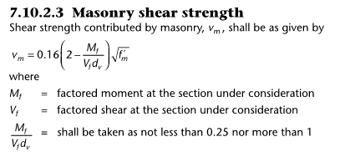
LISTS

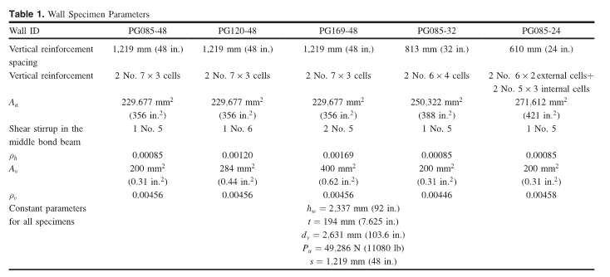
Sources
Voon and Ingham (2006) | Experimental in-plane shear strength investigation of reinforced concrete masonry walls
Voon (2007) | Design expression for the in-plane shear strength of reinforced concrete masonry
Minaie et al. (2010) | In-plane behavior of partially grouted reinforced concrete masonry shear walls
Matsumura (1987) | Shear Strength of Reinforced Hollow Unit Masonry Walls
Chen et al. (1978) / Hidalgo (1978) | Cyclic Loading Tests of Masonry Single Piers, Volume 2-Height toWidth Ratio of 1
Yancey and Scribner (1989) | Influence of horizontal reinforcement on shear resistance of concrete block masonry walls
Schultz et al. (1998) | Seismic performance of masonry walls with bed joint reinforcement
Sierra (2002) | Estudio experimental de la infuencia del refuerzo vertical en muros de albañilería armada sometidos a carga lateral alternada
DICTUC (2002) | Ensayo de dos muros de albañilería armada de ladrillo cerámico perforado
Lüders and Hidalgo (1986) | Infuencia del Refuerzo Horizontal en el Comportamiento sísmico de muros de albañilería Armada
Lüders and Hidalgo (1987) | Comportamiento Sísmico de Muros de Albañilería Armada
Muñoz (1992) | Estudio experimental del comportamiento de muros de albañilería de bloques de hormigón sometidos a carga lateral alternada
Oan (2013) | Diagonal shear of partially grouted concrete masonry panels
Nolph et al. (2012) | Static cyclic response of partially grouted masonry shear walls shear strength of partially grouted masonry walls
Baenziger & Porter (2011) | Joint Reinforcement for Masonry Shear Walls
Scrivener (1969) | Static Racking Tests on Concrete Masonry Walls
Ramirez et al. (2016) | Experimental study on in-plane cyclic response of partially grouted reinforced concrete masonry shear walls
Maleki et al. (2009) | Behaviour of partially grouted reinforced masonry shear walls - experimental study
Ghanem et al (1992) | Effect of steel distribution on the behavior of partially reinforced masonry shear walls
Schultz (1996) | Seismic performance of partially-grouted masonry shear walls
Elmapruk (2010) | Shear strength of partially grouted squat masonry shear walls
Haider (2007) | Inplane response of wide spaced reinforced masonry shear walls

Support Type
Cantilever
Double Curvature

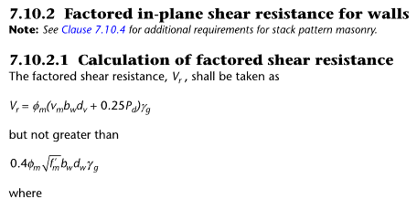
Loading Type
Monotonic
Reverse Cyclic

Voon
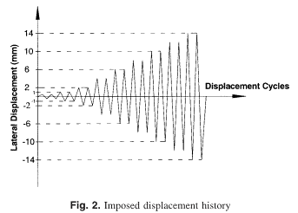
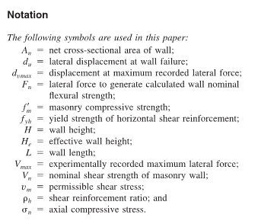

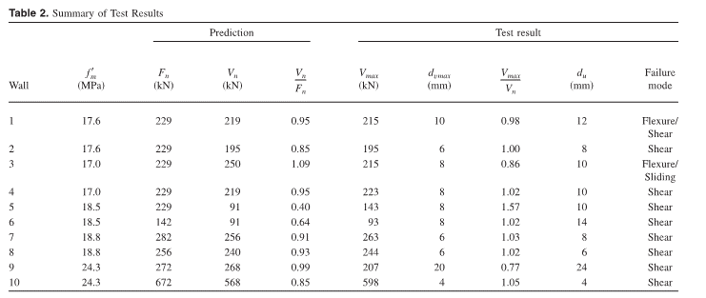

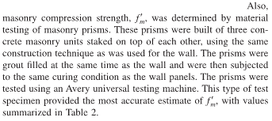

ChenHidalgo
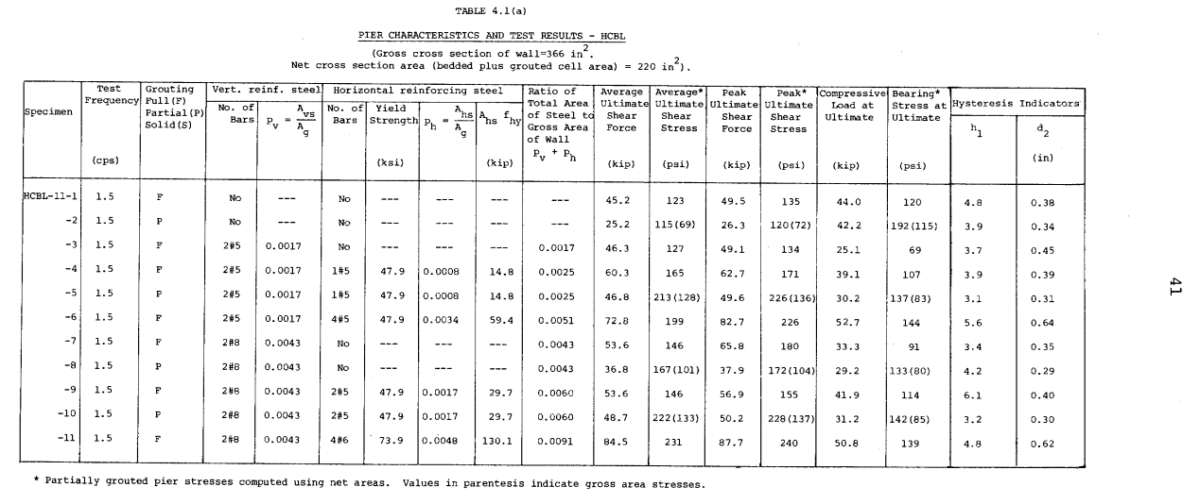
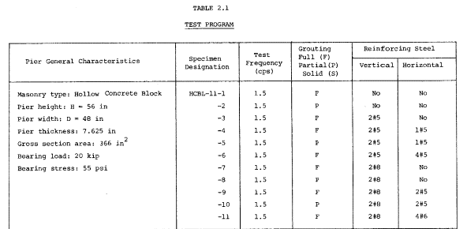

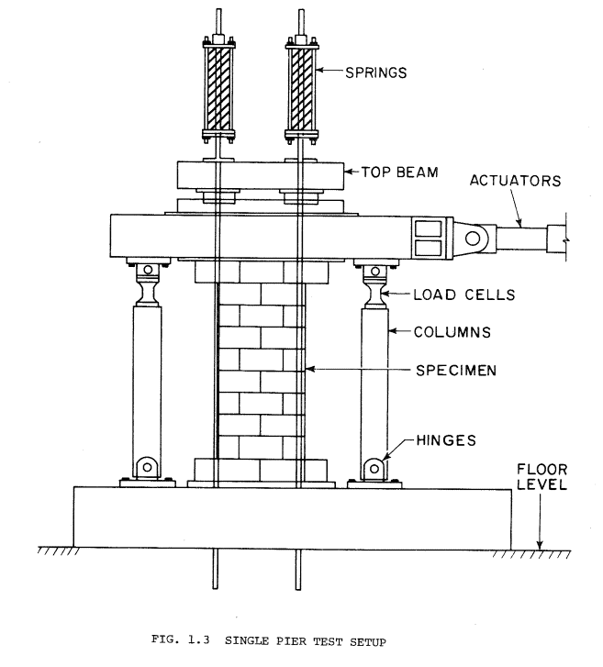

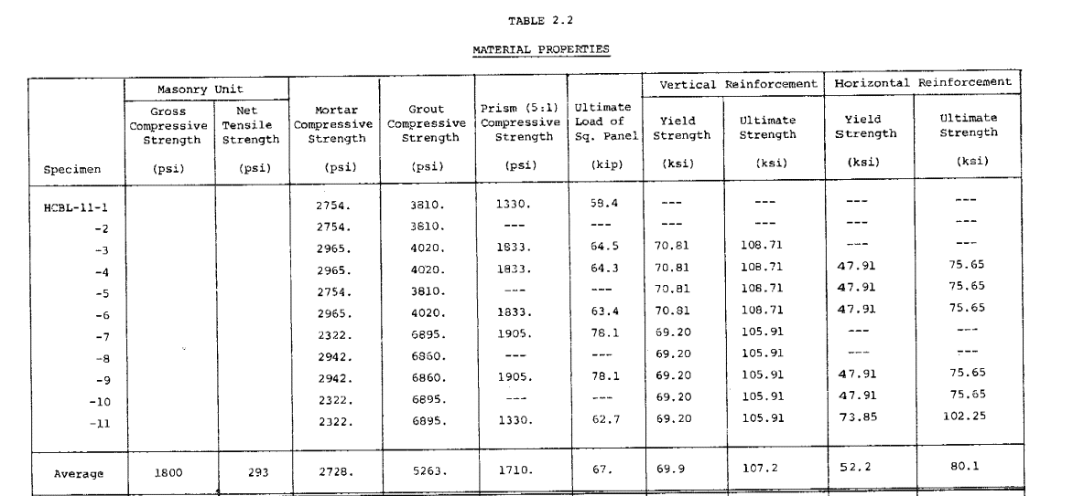

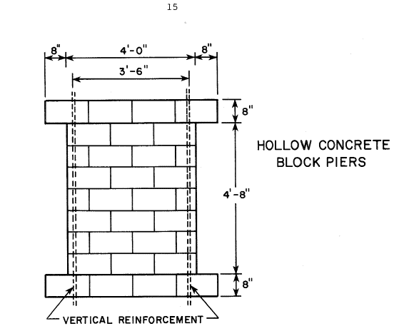

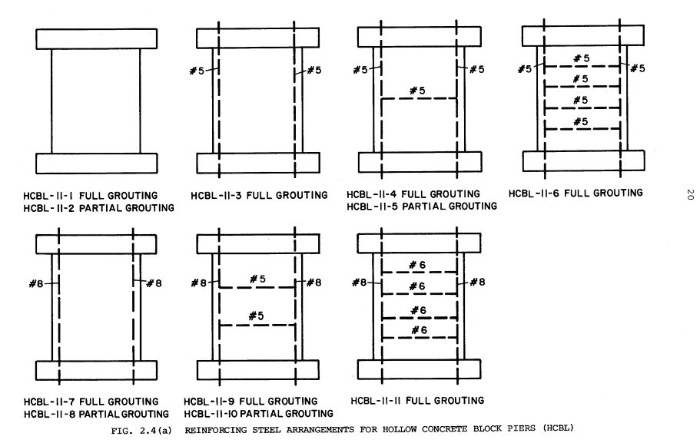

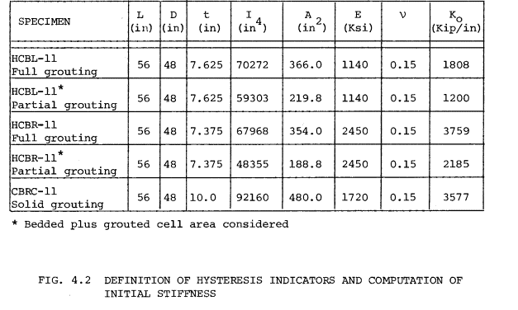

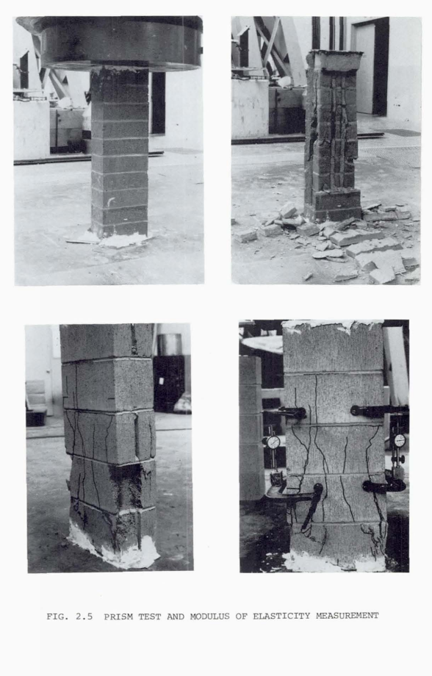
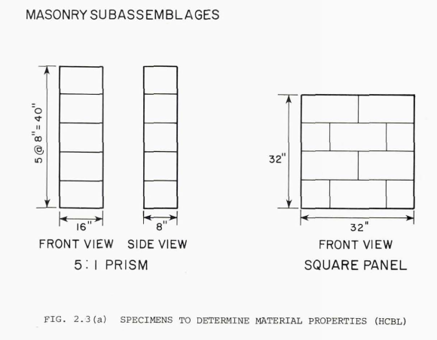

Minaie
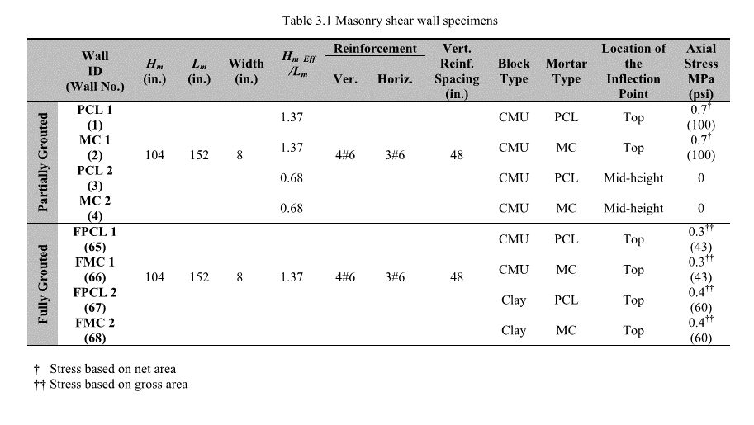
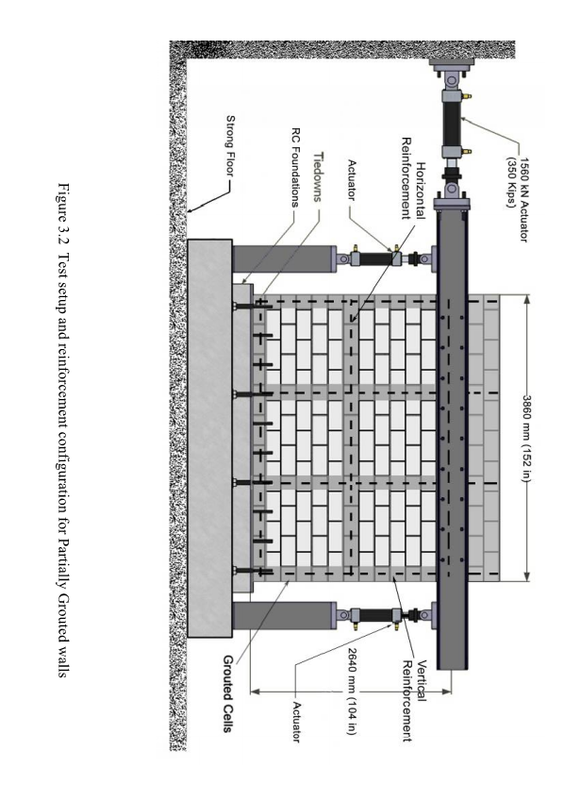
ASTM C 140
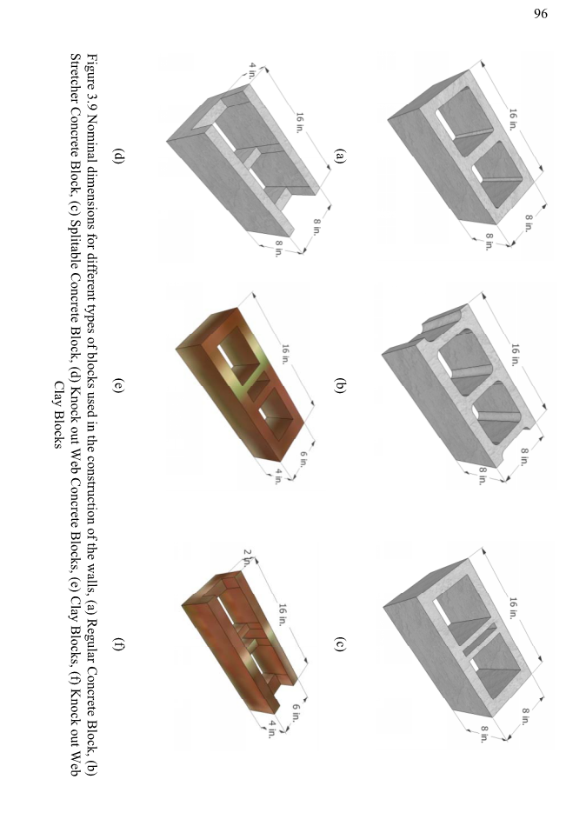
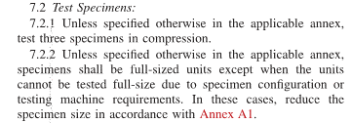
 | ASTM C1314

Ghanem
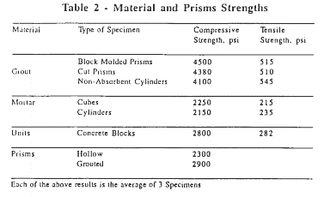

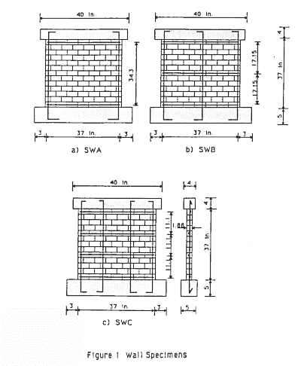
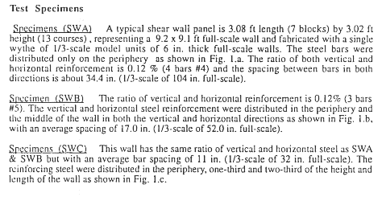

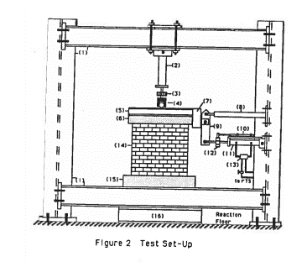

Schultz







BaenzigerPorter





Elmapruk













Maleki


















Matsumara




Oan
























Nolph














YanceyScribner










Scrivener




 |  |  |  |  |  | http://besser.com/concrete-products-equipment/vibrapac

 | Diameter (mm) | Area (mm2) | Yield Load (N) | Yield Stress (MPa) | in | mm
 | 15.88 | 197.9 | 56492 | 285 | 1 | 25.4
 | 15.88 | 197.9 | 57382 | 290 | 0.0393701 | 1
 | 12.70 | 126.7 | 38255 | 302
 | 12.70 | 126.7 | 38255 | 302 | lbf | kN
 |  |  |  |  | 1 | 0.00444822
 |  |  |  |  | 224.809 | 1


Assumed block geometry (from Vibratec manual)

Ramirez










